Hoja1
Project name | Saucedemo.com |  |  |  |  |  | Test Case Author |  | Eduardo Luis Rivas
Priority | High |  |  |  |  |  | Test Case Reviewer
Description | Ensure the main features are working properly |  |  |  |  |  | Test Case Version |  | 1
Test Objective | Test the main functionalities using automation techniques (Selenium Python) |  |  |  |  |  | Test Execution Date |  | 2024-10-28

 |  | Test Case ID | Test Case Name | Test Steps | Input Data | Expected Results | Actual Results | Execution Status | Bug Severity | Bug Priority | Notes | Screenshot
 |  | SD01 | Login Functionality | Open the login page Enter valid user name and password Click the login button | username: standard_user password: secret_sauce | User should succesfully log in and be redirected to the inventory page | The login was succesful | Passed | N/A | N/A | N/A | 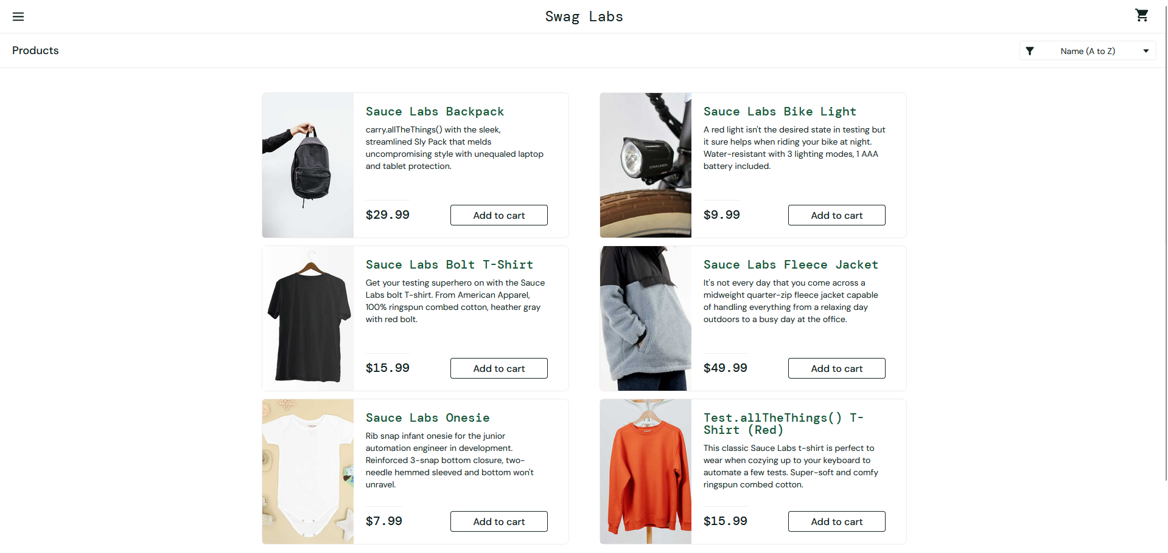
 |  | SD02 | Add item to the cart | Login using valid credentials Select an item Click the add to cart button Verify the cart icon displays "1" Navigate to the cart page | username: standard_user password: secret_sauce | The selected item should appear in the cart | The selected item was added to the cart succesfully | Passed | N/A | N/A | N/A | 
 |  | SD03 | Purchase flow | Login using valid credentials Add 2 items to the cart. Go to the cart Click Checkout Fillout the checkout form Click continue | username: standard_user password: secret_sauce Name: Eduardo Last name: Rivas Postal Code: 80223 | The website should display a "Thank you for your order" message | The 2 items were added to the cart and the checkout was succesful, the message was displayed as expected. | Passed | N/A | N/A | N/A | 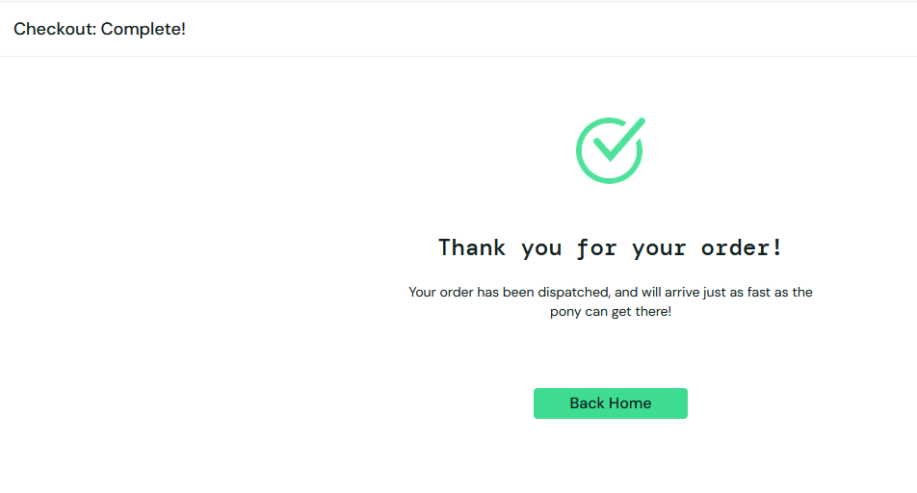
 |  | SD04 | Filter products by price | Login using valid credentials Once in the login page select the filter dropdown (price range) Verify the products are filtered | username: standard_user password: secret_sauce | All the products should sorted from the lowest price to the highest. | The products were displayed from lowest to highest as expected. | Passed | N/A | N/A | N/A | 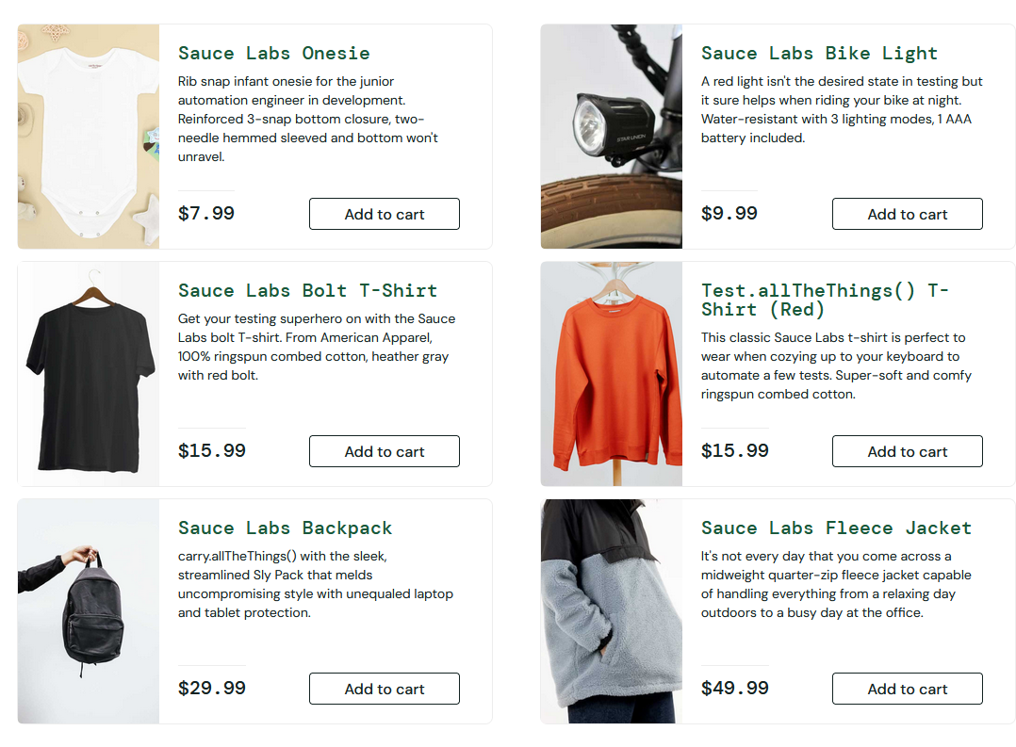
 |  | SD05 | Login with incorrect credentials | Open the login page Use either an invalid username or password Click the login button | username: eduardo password: pw123 | An error message should be displayed and it should not be redirected to the inventory page | An error message was displayed as expected. | Passed | N/A | N/A | N/A | 